Set-up
STEP-BY-STEP INSTRUCTIONS | Note: only yellow fields need to be completed
STEP 1: Change Date in Cell D2 On the first day of a new month, also change days in month (C4:F4:) and month heading(C5:F5) |  | Date: | 2024-11-14
STEP 2: Copy "Today" figures in yellow color into "Yesterday" in yellow color
STEP 3: Pull report 14.008 SFA History and Forecast for each of the 4 months (current + 3) - see below | Days in month | 30 | 31 | 31 | 28
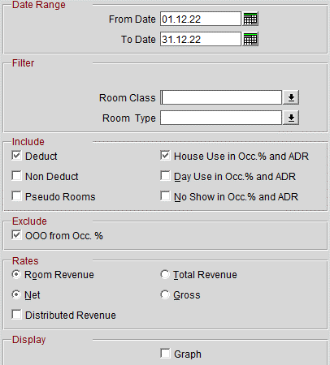
 | Today | November | December | January | February
 | Total Occ. | 5,055 | 3,866 | 1,097 | 1,184
 | Total Occ. - "Total comp+HU" | 5055 | 3866 | 1097 | 1184
 | Room Revenue | 1,154,691 | 786,927 | 190,818 | 217,263
 | ADR | € 228.43 | € 203.55 | € 173.95 | € 183.50
 | OOO Rooms | 123 | 124 | 0 | 0
 | COMP rooms | 48 | 6 | 0 | 0
 | House Use Rooms | 0 | 0 | 0 | 0
 | Total comp+HU ROOMS
 |  | To be copied from "Today"
 | Yesterday | November | December | January | February
 | Total Occ. | 4,993 | 3,751 | 1,095 | 1,184
 | Total Occ. - "Total comp+HU" | 4993 | 3751 | 1095 | 1184
 | Room Revenue | 1,130,682 | 745,799 | 190,140 | 217,263
 | ADR | € 226.45 | € 198.83 | € 173.64 | € 183.50
 | OOO Rooms | 123 | 124 | 0 | 0
 | COMP rooms | 45 | 6 | 0 | 0
 | House Use Rooms | 0 | 0 | 0 | 0
 | Total comp+HU ROOMS

STEP 4: Take the Total figures (last line) from the report 14.008 for each month: - "Total Occ." --> enter in the corresponding month in line 6 - "Room Revenue" --> enter in the corresponding month in line 8 - "OOO Rooms" --> enter in the corresponding month in line 10 -"Comp Rooms" --> enter in the corresponding month in line 11 -"House Use Rooms" --> enter in the corresponding month in line 12

STEP 5: Pull report 26.011 MGR FLash(no changes to set-up, just click "Preview") | Manager Flash
STEP 6: Take the figures for "DAY" - Rooms Occupied --> enter in C28 - Room Revenue --> enter in C29 - Out of Order Rooms --> C30 | Rooms Occupied | 170
 | Room Revenue | 41,467
 | Out of Order Rooms | 4

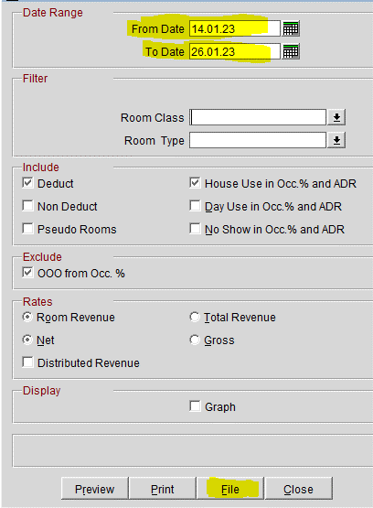
STEP 7: Pull report 14.008 SFA History and Forecast (The one in yellow) - Click on "File Format : "Delimited : Data" / Delimiter "Tab" - From Date: Today Business date - To Date: Today + 12 days - Click on "File"
€ 0.00

- Go to Manager Night Bible page 22 and follow the Steps
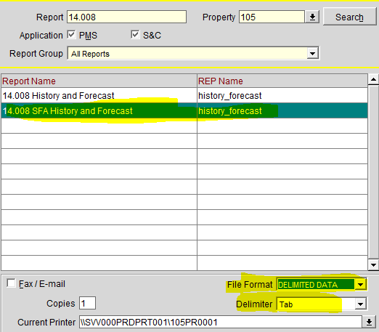

STEP 8: - Go to Manager Night Bible page 24 and follow the Steps in order to complete STR Data
 | STR Global | RGI MTD | -
 |  | RGI %-Change | -
 |  | Ranking | -

 | H-reward | Day | MTD

STEP 9: This part will be updated from accounting department |  | November | December | January
 | Budget | 424,999.00 € | 450,000.00 € | 429,429.00 €
 | Forecast | 310,228.00 € | 410,515.00 € | 242,602.25 €
 | OTB last week | 367,955.39 € | 351,832.73 € | 242,602.25 €
 | OTB | 455,399.00 € | 367,470.58 € | 241,802.25 € | Due to no MICE tool, figures in GROSS (update by Siham 09/09/24)
 | Pick-up versus last week | 87,443.61 € | 15,637.85 € | -800.00 €

STEP 10: Complete the VIPs and Groups | VIP Arrivals | Room N° | VIP Level
Use report 15.023b / Department : GM | Cowburn,Idabenedicte | 115 | FHR | 17.11.24
Include only "Reserved" and click "Preview" → VIP Arrivals | Birou,Anis | 406 | long stayer | 19.11.24
VIP in house : "Copy + Paste" the Vip Arrivals of yesterday and verify that | Sadrich,Sandra | 503 | Senior Front Office Agent · Intercity Hotel Frankfurt Hauptbahnhof Süd | 17.11.24
the room number is the same if not update it | Borghesi,Anoushka Luise | 538 | virtuoso + Responsable du bureau de presse monde Giorgio Armani | 15.11.24

VIP departures: Check the departure day of Vip Arrivals of yesterday + Vip In House

 | VIP In-house | Room N° | VIP Level
 | Atayari,Abdulhafid | 507 | long stayer
 | Blank,Howard,Mr | 138 | regular guest | 2024-01-15
 | Maite,Caron,Mme | 106 | HW staff & Family | 1900-01-16
 | Driemeyer,Sandra,Frau | 502 | Long Stayer | 1900-01-23
 | Pearce,Staci | 303 | Long Stayer | 1900-01-15
 | Cappio,Kelly Godfrey | 123 | virtuoso | 1900-01-15
 | Flatischler,Reinhard | 333 | Long stayer | 1900-01-18
 | Cairns,Marcus |  | Long stayer | 1900-01-22
 | Wang,David | 128 | long stayer

 | VIP Departures | Room N° | VIP Level
 | Vipan,Anja,Ms. | 103 | Department Manager Benelux, Germany & Liechtenstein Miki Travel Europe
 | Taylor,Silvia Bossi | 523 | Virtuoso

STEP 11: | Groups / Events | Participants | Meeting Rooms | Contact Person
Use report "Event List Detailed" /"Date Range" same business date/"Event status" | Athora Ireland Services Ltd | 60 | Foyer Ballroom | Lynn Newton
select only DEF

 | DO NOT USE | DO NOT USE | DO NOT USE | DO NOT USE
 | DO NOT USE | DO NOT USE | DO NOT USE | DO NOT USE

STEP 12: Press on F5 in Opera and do a rate query day by day for the next 12 days. | 14/11/2024 | € 289
Take the AX price (excl tax) | 15/11/2024 | € 290
 | 16/11/2024 | € 314
 | 17/11/2024 | € 311
 | 18/11/2024 | € 370
 | 19/11/2024 | € 817
 | 20/11/2024 | € 592
 | 21/11/2024 | € 361
 | 22/11/2024 | € 298
 | 23/11/2024 | € 260
 | 24/11/2024 | € 292
 | 25/11/2024 | € 349
 | 26/11/2024 | € 373

STEP 13: Every Sunday - Look up the Duty Managers of the day (COMMON-DUTY-Duty Planning 2023)

STEP 14: Send to the distribution list! "dor" Attach also the DMs

